Sheet1
Code | Frequency
622 | 49
621 | 50
370 | 62
503 | 71
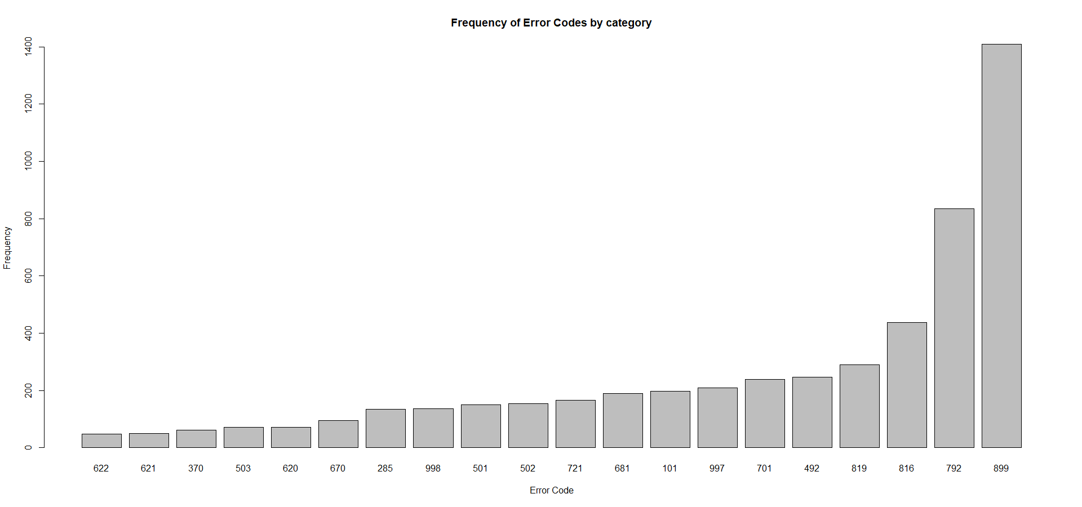
620 | 72
670 | 95
285 | 134
998 | 137
501 | 150
502 | 155
721 | 167
681 | 189
101 | 198
997 | 210
701 | 238
492 | 246
819 | 290
816 | 438
792 | 834
899 | 1409

